Introduction & Background
Assessment Tool - Introduction and Background
Dear Users, To begin the assessment, please navigate to the "Questions and Assessment" worksheet. In this worksheet, you will find nine questions. Select the option from the dropdown menus that best describes you. Once you have answered all the questions, you can find your results in the "Assessment and Proposed Units" section. Under the "Recommended Unit" column, you will see which Competence Units we expect to be most relevant for you in consideration of your answers. These competence units are listed in order of priority for you. Following this, you will find the most relevant topics within these Competence Units based on your responses. However, for the sake of topic coherence, we recommend completing all the topics within the proposed Competence Units. Additionally, you will find details in the following rows about the knowledge and skills you will acquire by completing these units.

Objective
 | The Assement shall help the user to identify
 | the user's actual knowledge, motivation and needs in terms DPP and Battery Passport
 | in order to direct the user to and propose the appropriate competence unit(s)

Competence Units
 | Unit 1 | Introduction to the Digital Product Passport and its Significance in the Battery Industry
 | Unit 2 | Implementation and Management of Digital Battery Passport
 | Unit 3 | DPP Monitoring, Evaluation, and Contiuous Improvement

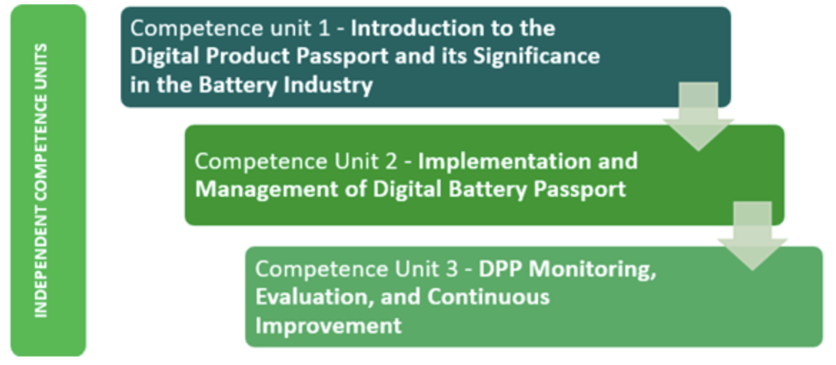

 | Each Unit comes with a number of subjects that are addressed subjunits as outlined in the "Units" worksheet. For example, Competence Unit 1 includes Subject 1 "Overview of the DPP", Subject 2 "Regulatory Requirements and standards", Subject 3 "Supply chain and stakeholder’s roles" and Subject 4 "Data protection and ownership basics".

Methodology
Based on the options given (as defined in the Options Worksheet) and the choises made by the user to answer the respective questions in the Questions and Assessment Worksheet, a certain value will be created and assigend to each answer. According to a matrix developed for this assessment (see the Matrix Worksheet as well as the Counter Worksheet), the relevance of each answer for each Competence Unit (CU) as well as for the individual subjects adressed in the respective CUs (as specified in the Units Worksheet), will be assigned to in maximum 3 subject topics. This shall help to keep the focus and limit the complexity. This assignment is done in form of a rating by 3 values, one with the highest relevance = 3, one medium = 2 and one low = 1. The effect is that for each option there is one Subject assigend and rated with highest relevance, one with medium and ontherone with lowest relevance. Accordingly, with regards to this respective option all other subjects are deemed to fall below the minimum threshold off relevance because they are left with 0 rating. This way of rating and assignment may not fully capture the level of real relevance from the point of view of each individual user. But it is expected to cover many or even most users and choices. And it is expected to find a good balance to keep it general and not to individual and complex. In the end, on the basis of up to 18 choises made by a user, this methodology allows to generate and calculate the total values achieved for each subject, which again allows to identify the order of relevnace of each Unit and Subject topic.

Assessment Outputs
The assessment outputs will be generated in a way that describes the focus and the reasoning that leads to the ranking and propsal of Competence Units and subjects that we deem most relevant for the respective user. This output is generated on basis of two elements: In a first step, the Matrix is used again to decide which Unit and subjects may be most relevant for the user, considering the input from the options chosen by the user when he answered the respective questions. And in a second step, depending on the input from the choises and the output from the Matrix, we have created some specific answers as described in the Outputs Worksheet to better reflect the input, depending on the user's type of organisation, business focus, needs and expectations. These "individualized" outputs will then be aggregated and shown in the Assessment, including the proposed Competence Unit, the most relevant subjects as well as the knowledge and skill sets the ouser could gain.

